Sheet1
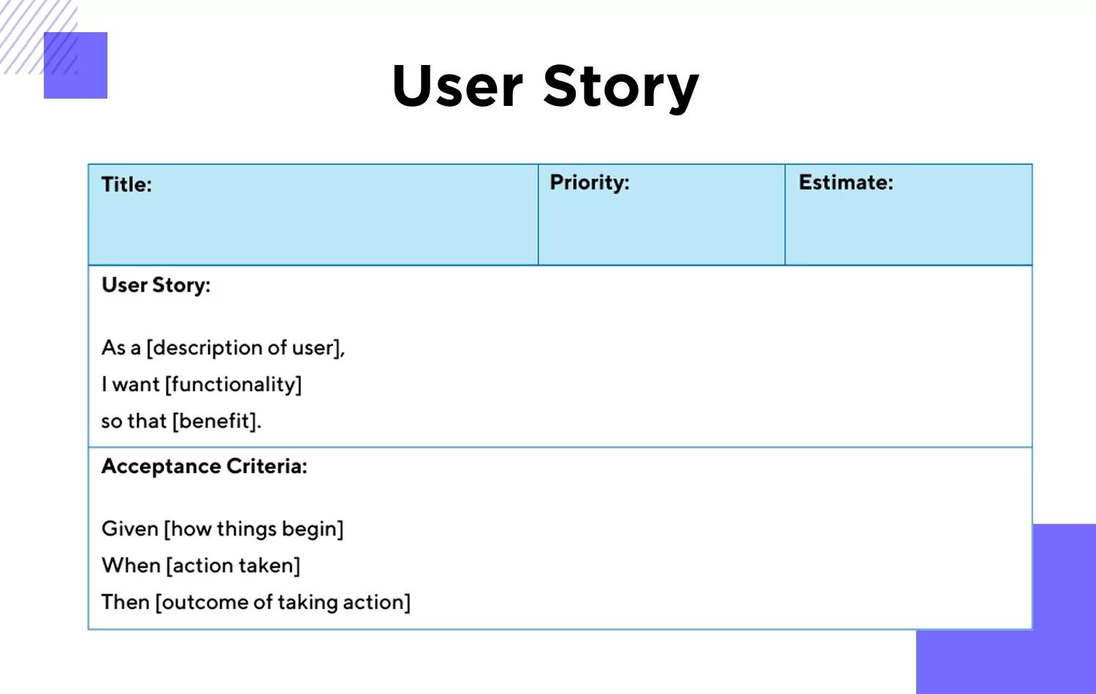
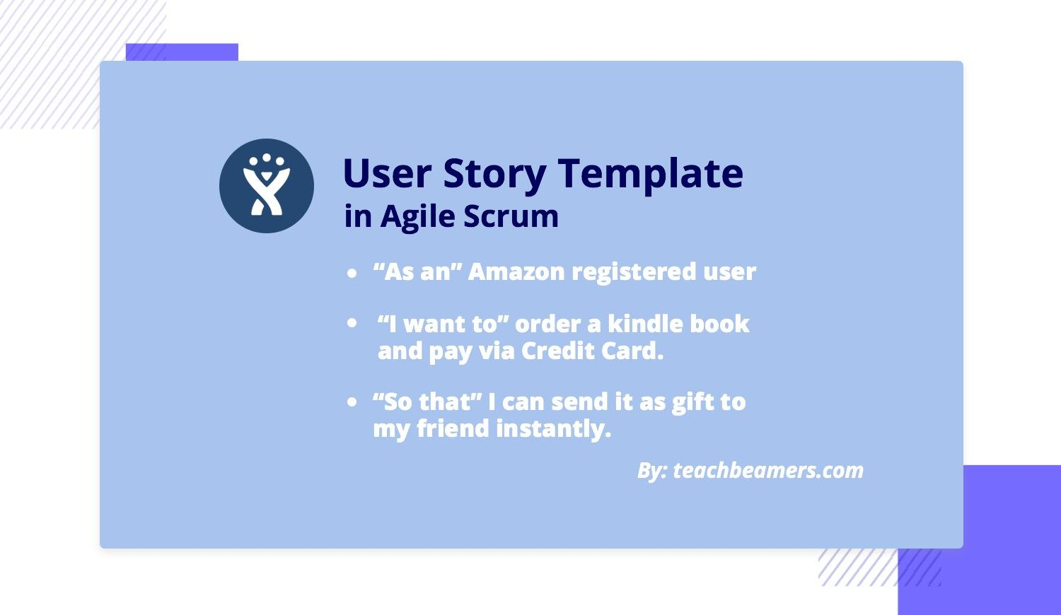
User Stories
Key | Summary | Story Points | Status | Place
 | As a customer, I want to register myself to the application So that I can keep my account private and login using email/phone and password. |  | To be done | Login
 | As a customer, I want to login in app So that I can use it to store all my information. |  | Done | Login
 | As a customer, I want to book a service So that I can book an appointment. |  | To be done | Book
 | As a customer, I want to see the services booked by me So that I can track it. |  | To be done | Booking History
 | As a customer, I want to browse the service list So that I will be able to see what all this app offers. |  | To be done | Search
 | As a customer, I want to choose the date and time of service So that it is available at my convenience. |  | To be done | Book
 | As a signed in customer, I want to log out So that I can have my privacy in the app. |  | Done | Logout/Login
 | As a signed-in customer I want to able to comment on a blog post So that I can get feedback on issues |  | To be done | Blog
 | As a customer, I want to browse the service list So that I can get some information what does this particular service do. |  | To be done | Search
 | As a customer, I want to create my profile So that I can store my Address and Phone No. in it. |  | To be done | Profile
 | As a customer, I want to be able to add multiple address So that I can use them to schedule a service for my office. |  | To be done | Profile
 | As a customer, I want to be able to cancel my booked service So that I can not expect the professional to reach my home. |  | To be done | Profile/Booking
 | As a customer, I want to be able to prepone or postpone my booked service So that I can expect the professional on some other date or time. |  | To be done | Booking
 | As a customer I want to be directly able to contact the technician via call/text So that I will be able to have a better service |  | To be done | Booking History
 | As a customer I want to be access the services according to categories such as water, furniture, beauty, etc So that I will be able to access the see the services available and who the professionals are |  | To be done | Explore
 | As a customer I want to able to access quick services near me So that I will be able to book in a urgent situation at my house. |  | To be done | Search with TimeLimit
 | As a customer I want to able to submit feedback So that the website owners can consider my opinion or concern during future website updates |  | To be done | Blog
 | As a customer I want to able to search on the webpage So that I can find necessary information |  | To be done | Explore
 | As a customer I want to be able to recover my account customer ID/Name So that I will be able to access my account in case i forgot the account. |  | To be done | Login
 | As a customer I want to able to recover the passwords to my account So that I will be able to access my account in case i forgot password. |  | To be done | Profile
 | As a customer I want to browse all the professional home services provided. So that I have a list to select the service I want.
 | As a customer, I want to email customer service So that I can get my issue resolved |  | To be done | CustomerService
 | As a customer, I want to be able to find all the quick links in one place/or at the bottom of the page So that I will be able to access the links and find necessary information |  | To be done | Sitemap
 | As a customer, I want my account and all details to be erased completly so that I can have my privacy. |  | To be done | Profile
 | As a customer, I want to receive any promotion details that are available on the app so that i can save some on my booked services. |  | To be done | Promotions
 | As a customer, I want to be able to change my profile and update my information on the application so that i can edit anything in it. |  | To be done | Profile
 | As a customer, I want to see the similar services in the related post so that i have multiple options. |  | To be done | Blog
 | As a customer, I want an email or message confirmation for my appointment so that i can have a written document of booking. |  | To be done | Booking
 | As a customer, I want to get support with any issue I face during my appointment so that i can have a nice experience on the app. |  | To be done | CustomerService
 | As a customer, I want to provide feedback about the services provided so that other users can view them. |  | To be done | Booking
 | As a customer, I want to get updates on my mail regarding any further updates on my booking so that it easy to track it. |  | To be done | Promotions
 | As a customer, I want to browse all the professional home services provided so that I have a list to select the service I want. |  | To be done | Search
 | As a customer, I want to have my card details saved for future so that I can directly book. |  | To be done | Profile
 | As a customer, I want to see the services I book earlier so that if needed I can directly just click on book again and book it |  | To be done | Booking History
 | As a customer I want to able to chat with a customer service representative to address my issue so that they can help me. |  | To be done | CustomerService

